for center
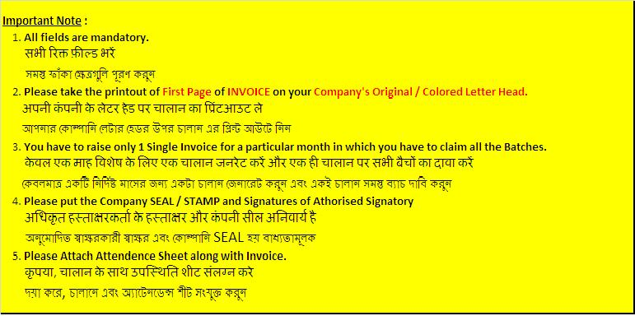
 |  |  | Center Name
 |  |  | Centre Address |  |  |  |  |  |  |  |  | Original for Receipient
 |  |  | Centre ph no.
 |  |  | GSTIN:

Tax Invoice

Invoice No: |  |  |  |  |  |  |  | Pan No.
Invoice date: |  |  |  |  |  |  |  | Period From: To:
Reverse Charge (Y/N): |  |  |  |  |  |  | N | Agreement From: To:
State: | Karnataka |  |  |  |  | Code

Bill to Party
Name: ASIAN PACIFIC LEARNING LEVERAGE PVT LIMITED
State: | GSTIN: | Code: | Address:
Karnataka | 29AAKCA2991D1ZI | 29 | 3rd FLOOR, 684, CRC SQUARE, 3rd A CROSS, MIG A SECTOR OPP. TO YELAHANKA SHESHADRIPURAM, YELAHANKA,BENGALURU - 560064

S. No. | Batch Number | Course Name |  | Batch Start Date | Term | No of Studends | Amount per month per student | Taxable Value | CGST |  | SGST |  | Total
 |  |  |  |  |  |  |  |  | Rate | Amount | Rate | Amount
 |  |  |  |  |  | 0 |  | 0 | 9 | 0 | 9 | 0 | 0
 |  |  |  |  |  | 0 |  | 0 |  | 0 |  | 0 | 0
 |  |  |  |  |  | 0 |  | 0 |  | 0 |  | 0 | 0
 |  |  |  |  |  | 0 |  | 0 |  | 0 |  | 0 | 0
 |  |  |  |  |  | 0 |  | 0 |  | 0 |  | 0 | 0
 |  |  |  |  |  | 0 |  | 0 |  | 0 |  | 0 | 0
 |  |  |  |  |  | 0 |  | 0 |  | 0 |  | 0 | 0
 |  |  |  |  |  | 0 |  | 0 |  | 0 |  | 0 | 0
 |  |  |  |  |  | 0 |  | 0 |  | 0 |  | 0 | 0
 |  |  |  |  |  | 0 |  | 0 |  | 0 |  | 0 | 0
 |  |  |  |  |  | 0 |  | 0 |  | 0 |  | 0 | 0
 |  |  |  |  |  | 0 |  | 0 |  | 0 |  | 0 | 0
Total |  |  |  | 0 |  | 0 | 0 | 0 |  | 0 |  | 0 | 0
Total Invoice amount in words |  |  |  |  |  |  |  |  | Total Amount before Tax |  |  |  | 0
 |  |  |  |  |  |  |  |  | Add: CGST |  |  |  | 0
 |  |  |  |  |  |  |  |  | Add: SGST |  |  |  | 0
 |  |  |  |  |  |  |  |  | Total Tax Amount |  |  |  | 0
 |  |  |  |  |  |  |  |  | Total Amount after Tax: |  |  |  | 0
Bank Details |  |  |  |  |  |  |  |  | GST on Reverse Charge |  |  |  | 0
Bank A/C: |  |  |  |  |  |  |  |  | Ceritified that the particulars given above are true and correct
Bank IFSC: |  |  |  |  |  |  |  |  | For
Bank Holder Name:
Bank Branch :-
Terms & conditions

 |  |  |  |  |  |  | Center Seal |  | Authorised signatory

 |  |  | Center Name
 |  |  | Centre Address |  |  |  |  |  |  |  |  | Duplicate for Supplier
 |  |  | Centre ph no.
 |  |  | GSTIN:

Tax Invoice

Invoice No: |  |  |  |  |  |  |  | Pan No.
Invoice date: |  |  |  |  |  |  |  | Period From: To:
Reverse Charge (Y/N): |  |  |  |  |  |  | N | Agreement From: To:
State: | Karnataka |  |  |  |  | Code

Bill to Party
Name: ASIAN PACIFIC LEARNING LEVERAGE PVT LIMITED
State: | GSTIN: | Code: | Address:
Karnataka | 29AAKCA2991D1ZI | 29 | 3rd FLOOR, 684, CRC SQUARE, 3rd A CROSS, MIG A SECTOR OPP. TO YELAHANKA SHESHADRIPURAM, YELAHANKA,BENGALURU - 560064

S. No. | Batch Number | Course Name |  | Batch Start Date | Term | No of Studends | Amount per month per student | Taxable Value | CGST |  | SGST |  | Total
 |  |  |  |  |  |  |  |  | Rate | Amount | Rate | Amount
 |  |  |  |  |  | 0 |  | 0 | 9 | 0 | 9 | 0 | 0
 |  |  |  |  |  | 0 |  | 0 |  | 0 |  | 0 | 0
 |  |  |  |  |  | 0 |  | 0 |  | 0 |  | 0 | 0
 |  |  |  |  |  | 0 |  | 0 |  | 0 |  | 0 | 0
 |  |  |  |  |  | 0 |  | 0 |  | 0 |  | 0 | 0
 |  |  |  |  |  | 0 |  | 0 |  | 0 |  | 0 | 0
 |  |  |  |  |  | 0 |  | 0 |  | 0 |  | 0 | 0
 |  |  |  |  |  | 0 |  | 0 |  | 0 |  | 0 | 0
 |  |  |  |  |  | 0 |  | 0 |  | 0 |  | 0 | 0
 |  |  |  |  |  | 0 |  | 0 |  | 0 |  | 0 | 0
 |  |  |  |  |  | 0 |  | 0 |  | 0 |  | 0 | 0
 |  |  |  |  |  | 0 |  | 0 |  | 0 |  | 0 | 0
 |  |  |  |  |  | 0 |  | 0 |  | 0 |  | 0 | 0
 |  |  |  |  |  | 0 |  | 0 |  | 0 |  | 0 | 0
Total |  |  |  | 0 |  | 0 | 0 | 0 |  | 0 |  | 0 | 0
Total Invoice amount in words |  |  |  |  |  |  |  |  | Total Amount before Tax |  |  |  | 0
 |  |  |  |  |  |  |  |  | Add: CGST |  |  |  | 0
 |  |  |  |  |  |  |  |  | Add: SGST |  |  |  | 0
 |  |  |  |  |  |  |  |  | Total Tax Amount |  |  |  | 0
 |  |  |  |  |  |  |  |  | Total Amount after Tax: |  |  |  | 0
Bank Details |  |  |  |  |  |  |  |  | GST on Reverse Charge |  |  |  | 0
Bank A/C: |  |  |  |  |  |  |  |  | Ceritified that the particulars given above are true and correct
Bank IFSC: |  |  |  |  |  |  |  |  | For
Bank Holder Name:
Bank Branch :-
Terms & conditions

 |  |  |  |  |  |  | Center Seal |  | Authorised signatory

